VideoBar
Type | Model No. | Resolution | Lens | FOV | Speaker | Voice Tracking | Auto-framing | Mic Qty | Pick up Range | Privacy Cover | Bluetooth | Extension Mic | Color | Video Output | Picture
All-in-One Video Bar | VA400 | 4K/30 | ePTZ:5X | 120° | 2*7W | Yes | Yes | 6 | 6m | / | / | / | Black | USB3.0
 | VC460 | 4K/30 1080P/60 | ePTZ:10X | 120° | 2*10W | Yes | Yes | 6 | 6m | ✔ | Bluetooth 5.0 | 8 Ext Mics(RJ45) | Black Gray White | HDMI, USB3.0 | 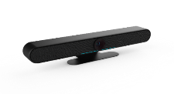 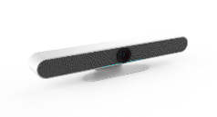 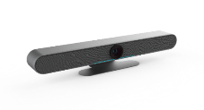
 | VC300 | 1080P/30 | ePTZ:5X | 92° | 1*3W | / | / | 1 | 1.5m | ✔ | / | / | Black | USB Type-C
TV Mount | AM050

